Intro
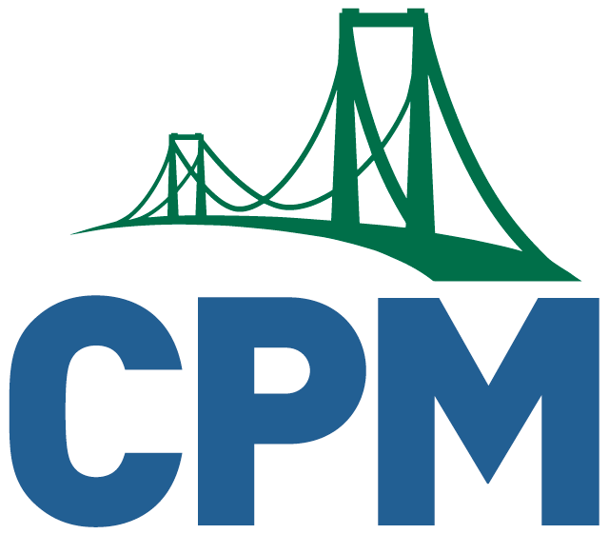
CPM Educational Program
For more information, please read this document: Guide for Teaching CPM’s INT1-3 Remotely for a quick introduction.

While all the daily core problems in each CPM lesson should be completed synchronously in teams, that will not be possible for most students. When it is not possible to be together in person, how can teams function efficiently in a virtual environment? We have suggestions for the setting in which problems should be facilitated. For each lesson we have designated problems that should be done with one of three labels: S -- Synchronous. This work needs some teacher facilitation. This should be done in person or synchronously virtually. VT -- Virtual Teamwork. This may be done synchronously or asynchronously. Asynchronous work should include collaboration. IS -- Independent Student work. Problems that are not listed are low priority during a pandemic.

